Fig. S4m
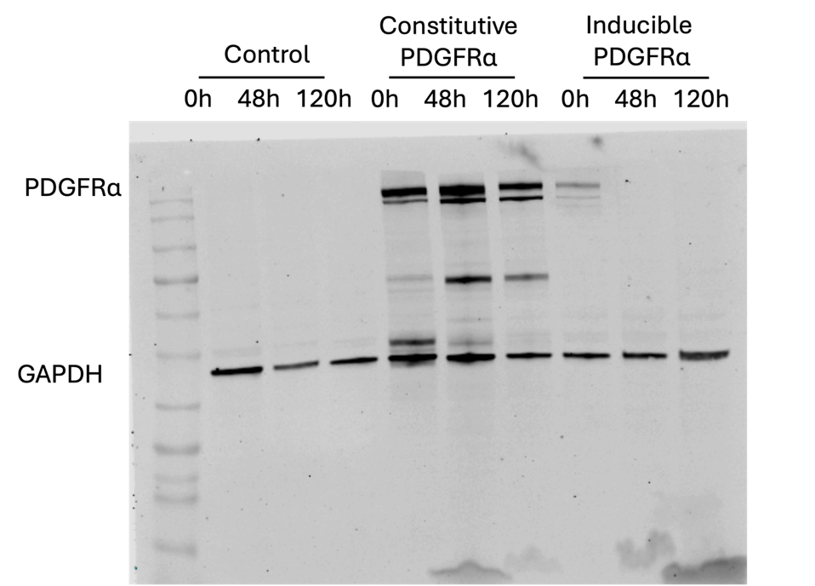
Fig. S4m: Full immunoblot image

